Acto II
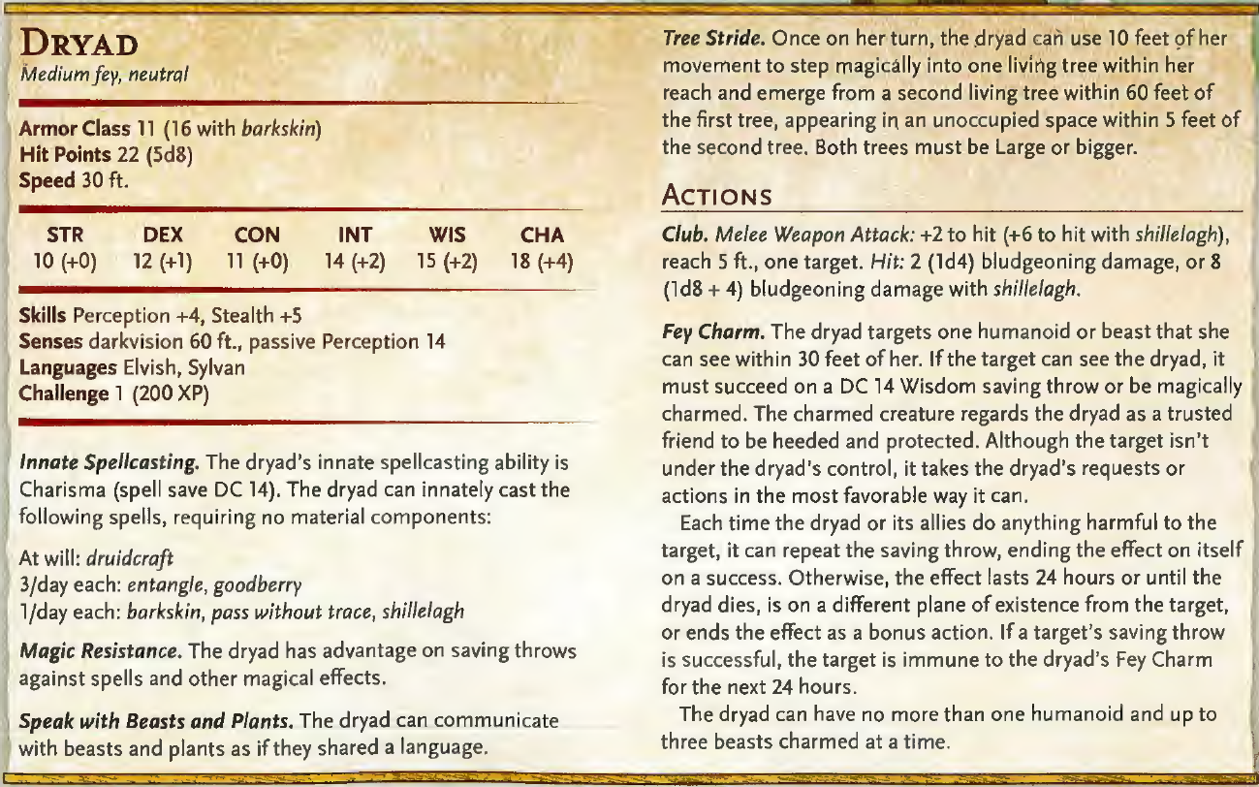
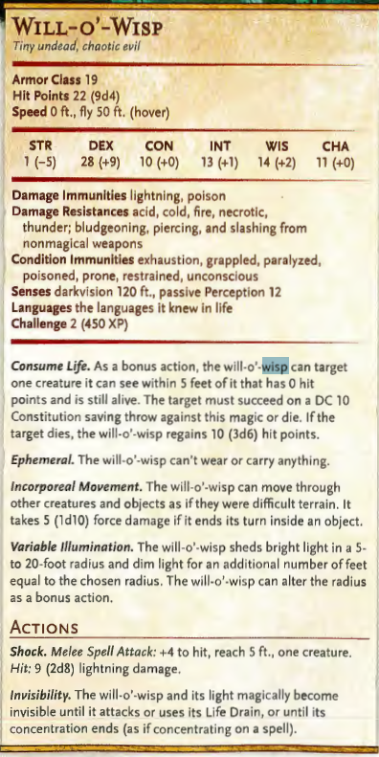
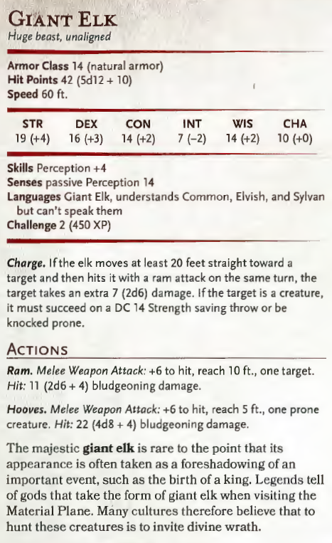
Cap II | El pan

Jugador | Objetivo Principal |  | Objetivo secundario |  |  |  |  |  | Descripción
Marchena | Mejorar las condiciones de vida del barrio |  | Contratar administradores y organizar la oficina |  |  |  |  |  | Una ciudad como Ravnica, aún en el mejor de los casos, solo esta a dos comidas del caos. Todos los días muere tal vez un millar de vacas por Ravnica. También rebaños de ovejas y multiples piaras de cerdos y únicamente los dioses saben cuántos patos, pollos y ocas. ¿La harina? Había oído que eran ochenta mil toneladas, y más o menos la misma cantidad de patatas y tal vez unas ciento veinte toneladas de arenque. Todos los días se ponen ciento cuarenta mil huevos para la ciudad. Todos los días se desplazan en la ciudad centenares, miles de carros, barcas y barcazas trayendo pescado y miel y ostras y aceitunas y anguilas y langostas. Por no hablar de los caballos que remolcan los vehículos ni de los molinos de viento… ni de la lana que llega cada día, la tela, el tabaco, las especias, el mineral, la madera, el queso, el carbón, la grasa, el sebo, el heno… TODOS LOS MALDITOS DÍAS…
Wundyr |  |  | Reclutar guardias y organizar el cuartel
Yarog |  |  | Montar una patrulla vecinal
Manjatan |  |  | Contratar ayudantes y organizar el taller
Kasz |  |  | Organizar un espectaculo o competición
Ectelion | No llamar la atención |  | Rescatar al rehen de los bandoleros
Ezzio | Montar el banco |  | Cambiar los documentos de Marchena del Acto I

LV 3 (2700 XP) | Encuentro |  | Monstruo | Cantidad | XP | Reto | XP Reto | XP Acc | Notas | Tesoro | Facil - 525 Medio - 1050 Dificil - 1575 Mortal - 2800
 | 1 | Aventino | SC-H (4/+15) | 7 | 150 | 2 | 2100 | 1180 | Sesión Individual, interactuan con sus gremios y reciben objetivos
 |  |  | Subtotal | 7 | 1050
 | 2 | Aventino | SC-H (4/+15) | 7 | 175 | 2 | 2450 | 1360 | Sesión experimental: un dia en el barrio
 |  |  | Subtotal | 7 | 1225
 | 3 | Plaza | Basilisk | 2 | 700 | 2 | 3150 | 1590 | Asalto de los bandidos a la plaza del Aventino
 |  |  | Bandits | 7 | 25
 |  |  | Subtotal | 9 | 1575
 | 4 | Taberna | SC-H (7/+10) | 7 | 225 | 2 | 3150 | 1820 | 1a semana de reclutamiento, los caminos no son seguros, nadie sabe donde estan los bandidos
 |  |  | Subtotal | 7 | 1575
 | 5 | Yermos Rojos | Bandits (M) | 25 | 25 | 3 | 1875 | 1910 | Carro bomba, trampa en el convoy | 200 cp (A), 400 cp (O), 43 ep (A)
 |  |  | Subtotal | 25 | 625
 | 6 | Emboscada en el camino | Basilisk | 3 | 700 | 1.5 | 3150 | 2210 | Asalto a la caravana | Recompensa Orzhov, 1 pp (O) de 100 zino para cada jugador
 |  |  | Subtotal | 3 | 2100 |  |  |  |  |  |  | 70 | -2
 | 7 | Entrada de la Guarida | Ogre Chain Brute | 3 | 700 | 1.5 | 3150 | 2510 |  | 650 cp (A), 950 cp (O), 90 ep (A), 60 gp (B) |  | 70 | 4
 |  |  | Subtotal | 3 | 2100 |  |  |  |  |  |  | 70 | 1
 | 8 | Guarida de los Bandoleros | Bandits (M) | 34 | 25 | 0.5 | 225 | 2700 | Rescatar a Ikram/Giagia (Jefe de los bandidos con objeto magico) | Set x2 Ballesta de Mano Cruel, 8000 cp (A), 22000 cp (O), 172 ep (A), 497 gp (B), objetos de lujo por valor de 25 gp: Cáliz de cobre con filigrana de plata, 2 relicarios de oro con un retrato pintado en su interior, set de dados de hueso grabados, pequeño espejo con marco de madera pintada, Bolsa de Contención, 3x Pocion de Heroismo |  | 110
 |  |  | Bandit Captain | 1 | 450
 |  |  | Subtotal | 35 | 1300

LV 4 (6500 XP) | Encuentro |  | Monstruo | Cantidad | XP | Reto | XP Reto | XP Acc | Notas | Tesoro | Facil - 875 Medio - 1750 Dificil - 2625 Mortal - 3500
 | 1 | Aventino |  |  |  | 1 | 0 | 2700 | Necessidad=Trigo, conseguir informacion de donde pueden conseguirlo, Dhalya posee contactos (si no superan SC le deberán un favor)
 |  |  | Subtotal | 0 | 0 | 0
 | 2 | Avenida transgremial |  |  |  | 1 | 0 | 2700 | Viaje a los limites con el precinto 3
 |  |  | Subtotal | 0 | 0 | 0
 | 3 | Campos Marchitos | Broza Movediza | 2 | 1800 | 1 | 3600 | 3210 | Campos de cultivo marchitos, pudriendose, sin nadie que los trabaje | Cada enemigo deja caer un corazon cristalino de jade (oscuro al morir, perlado al finalizar el ritual) por valor de 100gp cada uno.
 |  |  | Subtotal | 2 | 3600 | 3600
 | 4 | Comuna Oculta |  |  |  | 1 | 0 | 3210 | Encontrar a los comuneros escondidos, el sabio (voda) encarga limpiar el corazón del bosque replantando un nuevo espiritu arboreo
 |  |  | Subtotal | 0 | 0 | 0
 | 5 | Robledo Misterioso | Ent | 1 | 5000 | 1.5 | 7575 | 3930 | Ir a buscar un fruto de roble de fuego a la arboleda del ave elemental, donde se encuentran con guardianes del bosque.
 |  |  | Awakened Shrub | 5 | 10
 |  |  | Subtotal | 6 | 5050 | 7575
 | 6 | Arboleda del Ave Elemental | Elementals | 4 | 1800 | 1.5 | 10800 | 4960 | Un elemental de cada tipo guarda la montaña, tras lo cual se debe escalar sigilosamente para evitar al ave elemental y conseguir un fruto del roble de su nido.
 |  |  | Subtotal | 4 | 7200 | 10800
 | 7 | Bosque de los Lamentos | Dryad | 9 | 200 | 2 | 3600 | 5220 | Encontrar el roble anciano (vernadi) del bosque, guardado por driades corrompidas. | Cada enemigo deja caer un corazon cristalino de jade (oscuro al morir, perlado al finalizar el ritual) por valor de 100gp cada uno.
 |  |  | Subtotal | 9 | 1800 | 3600
 | 8 | Claro Corrupto | Will-O-Wisp | 7 | 450 | 2 | 6300 | 5670 | Proteger el ritual (7x Horncallers), plantar la semilla del roble de fuego bajo ataque
 |  |  | Subtotal | 7 | 3150 | 6300
 | 9 | Corazón del Bosque | Conclave Dryad* | 1 | 5400 | 0.5 | 2700 | 6440 | Lucha contra el avatar corrompido en el bosque en llamas, *subs Alce a Alce Gigante | Los gremios les ascienden y reparten tesoros gremiales
 |  |  | Subtotal | 1 | 5400 | 2700

